Figure_D1
Figure D1. Consumption of broad- and narrow-spectrum penicillins (ATC group J01C) for systemic use in the community, EU/EEA countries, 2019, expressed as DDD per 1 000 inhabitants per day

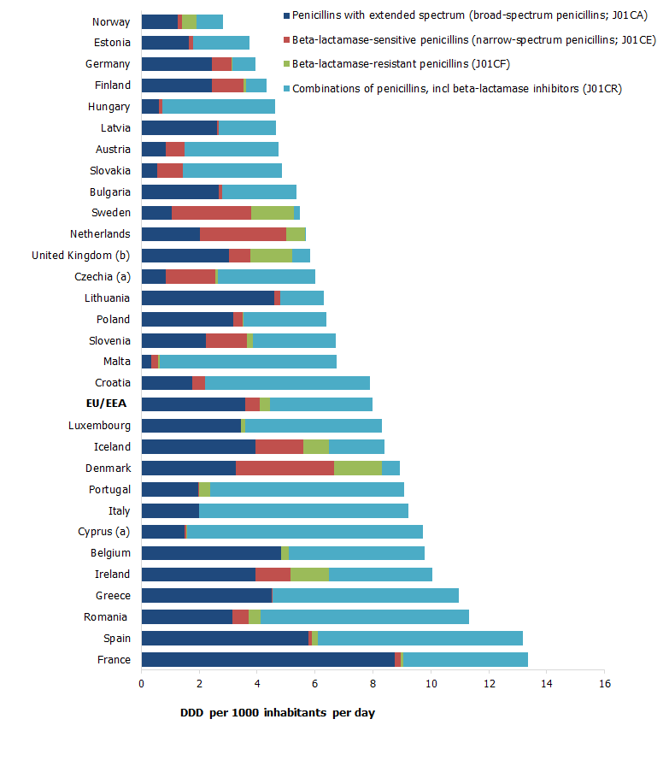

(a) Cyprus and Czechia provided total care data (i.e. including the hospital sector).
(b) United Kingdom contributed data from England, Northern Ireland and Scotland only.
EU/EEA refers to the corresponding population-weighted mean consumption.

Figure_D2
Figure D2. Consumption of first-, second-, third- and fourth-generation cephalosporins (ATC group J01DB-DE) for systemic use in the community, EU/EEA countries, 2019, expressed as DDD per 1 000 inhabitants per day

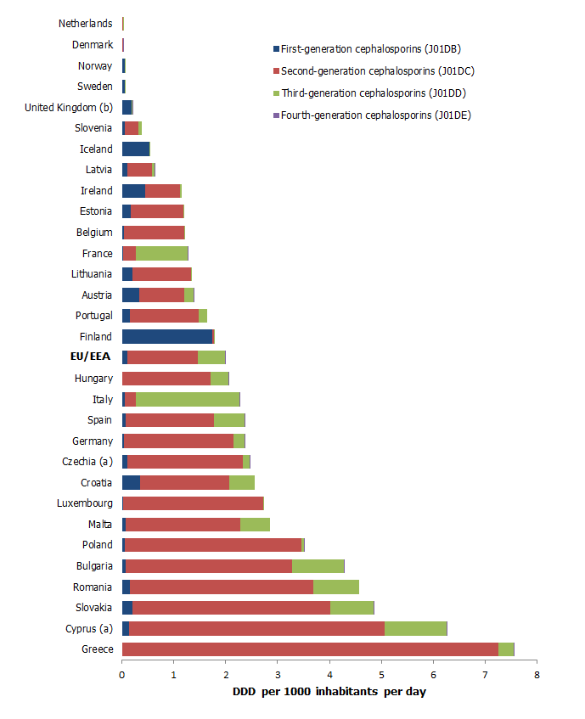

(a) Cyprus and Czechia provided total care data (i.e. including the hospital sector).
(b) United Kingdom contributed data from England, Scotland and Northern Ireland only.
EU/EEA refers to the corresponding population-weighted mean consumption.

Figure_D3
Figure D3. Consumption of short-, intermediate- and long-acting macrolides (ATC group J01F) for systemic use in the community, EU/EEA countries, 2019, expressed as DDD per 1 000 inhabitants per day

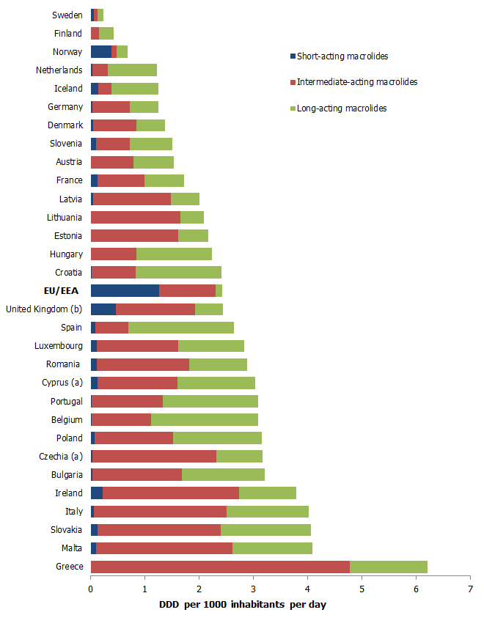

(a) Cyprus and Czechia provided total care data (i.e. including the hospital sector).
(b) United Kingdom contributed data from England, Scotland and Northern Ireland only.
EU/EEA refers to the corresponding population-weighted mean consumption.

Figure_D4
Figure D4. Consumption of first-, second- and third-generation quinolones (ATC group J01M) for systemic use in the community, EU/EEA countries, 2019, expressed as DDD per 1 000 inhabitants per day

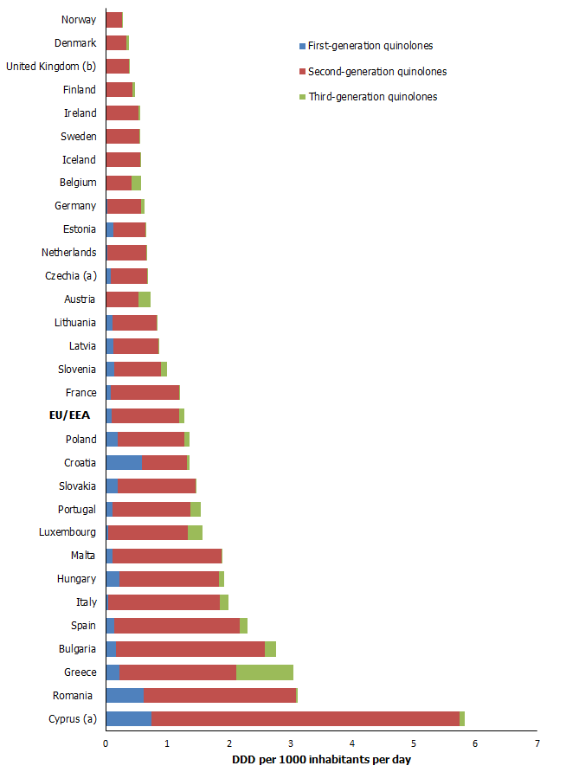

(a) Cyprus and Czechia provided total care data (i.e. including the hospital sector).
(b) United Kingdom contributed data from England, Scotland and Northern Ireland only.
EU/EEA refers to the corresponding population-weighted mean consumption.

Figure_D5
Figure D5. Consumption of antimycotics (ATC group J02) and antifungals (ATC group D01B) for systemic use in the community, EU/EEA countries, 2019, expressed as DDD per 1 000 inhabitants per day

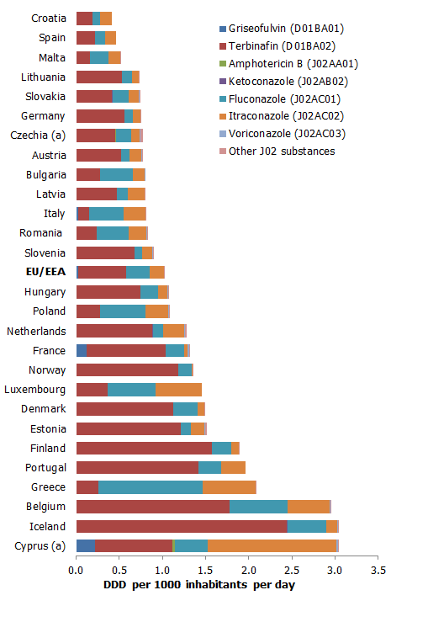

(a) Cyprus and Czechia provided total care data (i.e. including the hospital sector).
(b) United Kingdom contributed data from England, Scotland and Northern Ireland only.
Swedish data are not shown due to confidentiality reasons based on national data protection laws
EU/EEA refers to the corresponding population-weighted mean consumption.

Figure_D6
Figure D6. Consumption of antimycotics (ATC group J02) and antifungals (ATC group D01B) for systemic use in the hospital sector, EU/EEA countries, 2019, expressed as DDD per 1 000 inhabitants per day

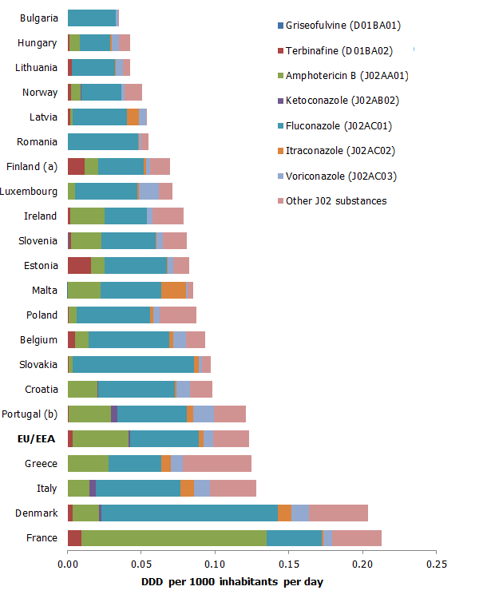

(a) Finland: data include consumption in remote primary healthcare centres and nursing homes.
(b) Portugal: data refer to all public hospitals in mainland and Madeira Autonomous Region. Population was adjusted, based on hospital catchment area information provided by the country.
Swedish data are not shown due to confidentiality reasons based on national data protection laws
EU/EEA refers to the corresponding population-weighted mean consumption.

Figure_D7
Figure D7. Consumption of antivirals for systemic use (ATC group J05) in both sectors (community and hospital sector), grouped into categories of their main indication, EU/EEA countries, 2019, expressed as DDD per 1 000 inhabitants per day

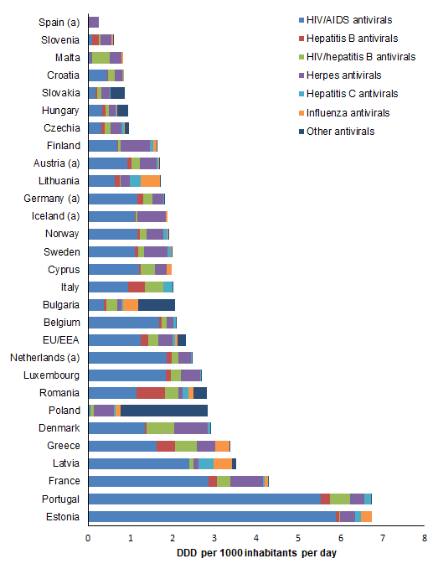

(a) Countries reported only consumption data from the community
Swedish data are not shown due to confidentiality reasons based on national data protection laws
EU/EEA refers to the corresponding population-weighted mean consumption.

